Лист1
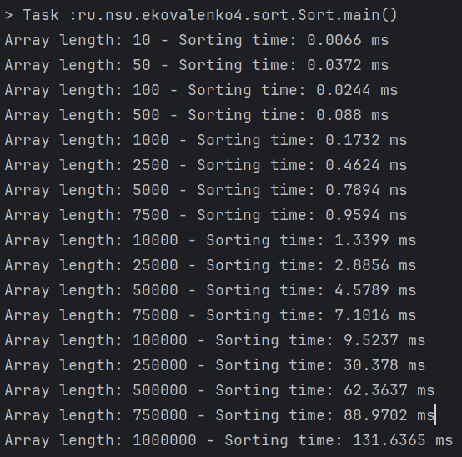
Array length | Sorting time, ms | Proof:
10 | 0.0066
50 | 0.0372
100 | 0.0244
500 | 0.0880
1000 | 0.1732
2500 | 0.4624
5000 | 0.7894
7500 | 0.9594
10000 | 1.3399
25000 | 2.8856
50000 | 4.5789
75000 | 7.1016
100000 | 9.5237

